Visualizations
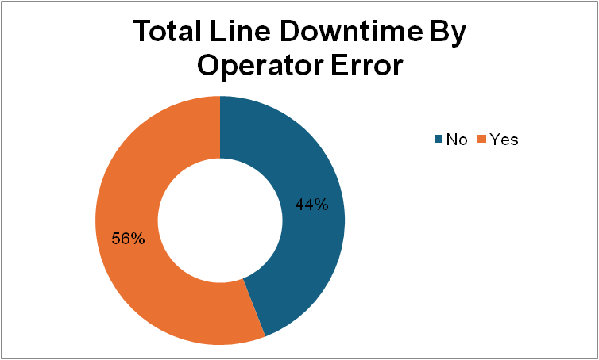
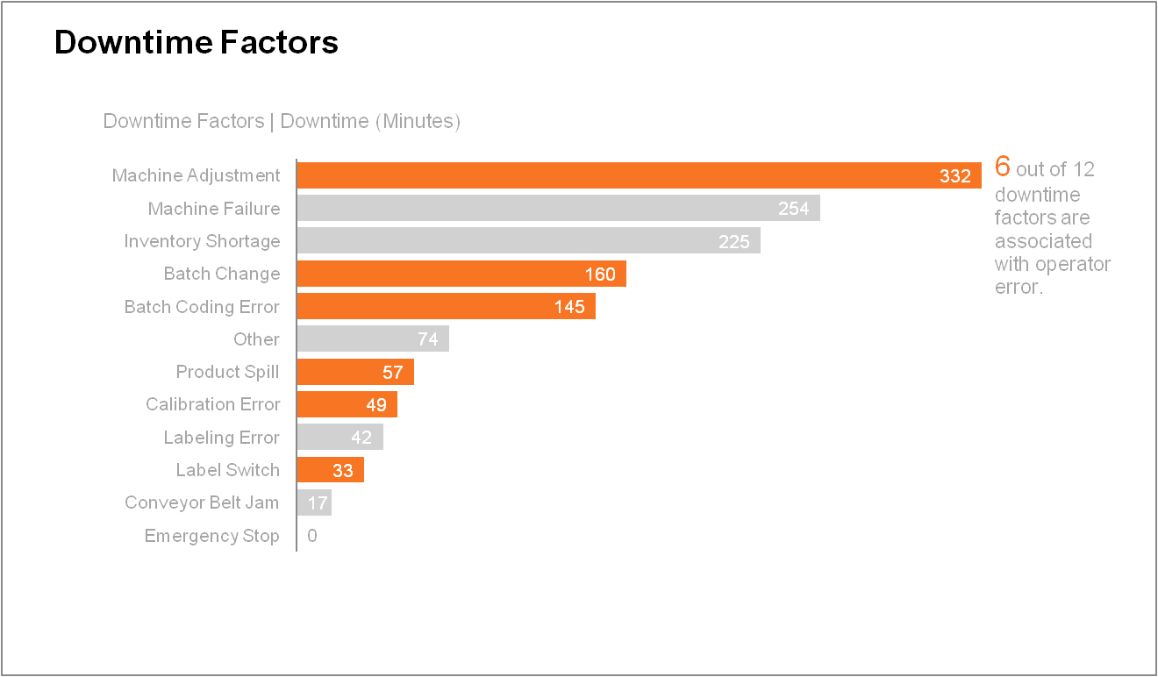
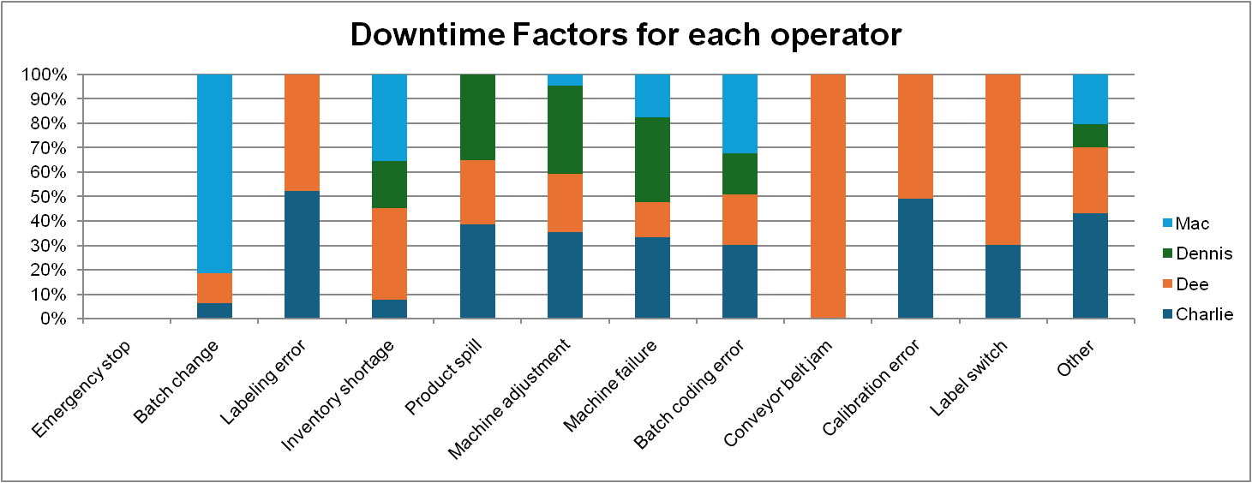
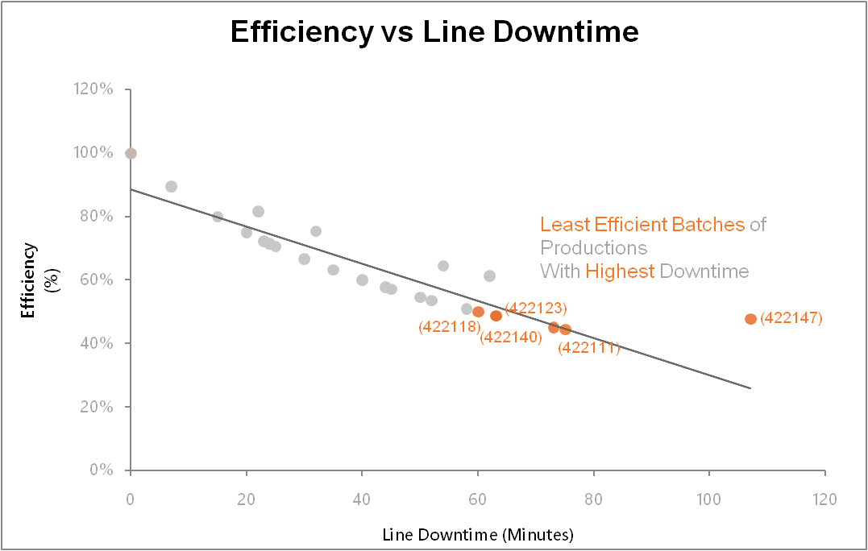
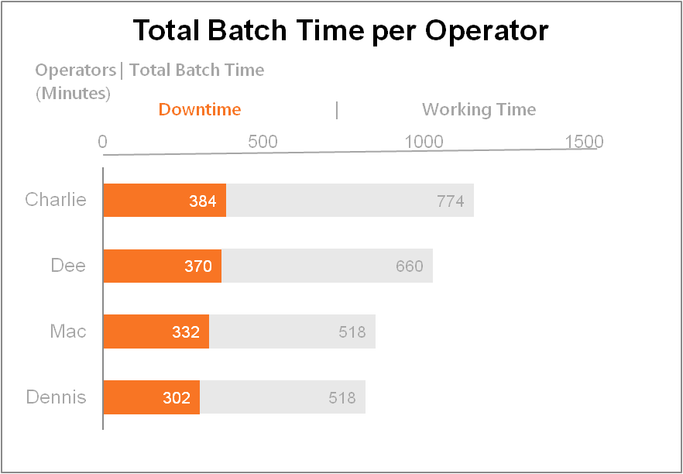

Downtime Factors
 | Line Downtime
Emergency Stop | 0
Conveyor Belt Jam | 17
Label Switch | 33
Labeling Error | 42
Calibration Error | 49
Product Spill | 57
Other | 74
Batch Coding Error | 145
Batch Change | 160
Inventory Shortage | 225
Machine Failure | 254
Machine Adjustment | 332

OperatorDowntimeFactors2
Line Downtime Breakdown for individual Operators (Transposed)

Machine adjustment | 120
Machine failure | 88
Inventory shortage | 43
Batch coding error | 24
Product spill | 20
Other | 7
Batch change
Labeling error
Conveyor belt jam
Calibration error
Label switch
Batch change | 130
Inventory shortage | 80
Batch coding error | 47
Machine failure | 45
Machine adjustment | 15
Other | 15
Labeling error
Product spill
Conveyor belt jam
Calibration error
Label switch
CHARLIE
Downtime Factors | Downtime
Machine adjustment | 118
Machine failure | 85
Batch coding error | 44
Other | 32
Calibration error | 24
Labeling error | 22
Product spill | 22
Inventory shortage | 17
Batch change | 10
Label switch | 10
Conveyor belt jam | 0

DEE
Downtime Factors | Downtime
Inventory shortage | 85
Machine adjustment | 79
Machine failure | 36
Batch coding error | 30
Calibration error | 25
Label switch | 23
Batch change | 20
Labeling error | 20
Other | 20
Conveyor belt jam | 17
Product spill | 15

DENNIS
Downtime Factors | Downtime
Machine adjustment | 120
Machine failure | 88
Inventory shortage | 43
Batch coding error | 24
Product spill | 20
Other | 7
Batch change
Labeling error
Conveyor belt jam
Calibration error
Label switch

MAC
Downtime Factors | Downtime
Batch change | 130
Inventory shortage | 80
Batch coding error | 47
Machine failure | 45
Machine adjustment | 15
Other | 15
Labeling error
Product spill
Conveyor belt jam
Calibration error
Label switch

